Timesheet Loader Template
T5
 | Timesheet Sessional Academic Staff
 | Please Note :
 | • This timesheet is used for sessional academic staff who work as Research Assistants, Project work or Claims that fall outside usual teaching activities logged via sessional Teaching /Marking spreadsheets. • Please do not print out this T5 form, type in your timesheet details in this spreadsheet and save as “name.xlsx” file, attach it in your staff email and send to your supervisor for approval. • Timesheet excel format files are to be submitted from your Swinburne staff email account to your Department Administrator/Managers for appropriate approvals by no later than 5pm Tuesday. • Administrators/ Managers must email submit this approved Timesheets with the text in the subject: THE ATTACHED TIMESHEET IS APPROVED to fpp@swin.edu.au by Wednesday 12 noon immediately following fortnight end date. Please refer to paydates and deadline tab of this spreadsheet. • Please fill out the correct employee number and job number failure to do that will cause the incorrect payment. Please refer to Help Notes tab of this spreadsheet or contact payroll for any queries about how to fill out this timesheet.

Surname | Given Names | Employee Number | JOB Number | Date | Pay Code | Total Hours (exc.meal break) | Rate | Account Code | Student Name | Subject Code/s
 |  |  |  |  | MK1 |  | 64.34 | 13 3005 15849 7015

AUTHORISATION:
Claimant:
Name: |  |  | DOB: |  |  | Name: |  | Department Name: | Moondani Toombadool Centre
Phone: |  |  | Date: |  |  | Phone: |  | Date:

Help Notes
How to fill out timesheet excel format file

1. If this is your first timesheet at Swinburne, please send the following completed forms to your faculty before you submit your timesheet:
· Application for Sessional Academic Engagement Form C2
· Tax Files Number Declaration form
· Personal Identification document
Payment will not be processed until the above forms have been completed in full

2.Example:
Please do not print out this T5 form, type in your timesheet details as below example in this spreadsheet and save as “name.xlsx” file, attached in your email send to your supervisor for approval.

Surname | Given name | Employee Number | JOB Number | Date | Pay Code | Total Hours (exc.meal break) | Rate | Account Code | Subject Code
Chen | Alice | 259937 | 01 | 07-Aug-2017 | RA | 3.00 | 36.76 | 112829348827015

3. Personal details: Please fill out the correct employee number and job number failure to do that will cause the incorrect payment. Please contact payroll or your faculty for these details.

4.Employee number is 6 digits Payroll number not OPAX number.

5. Job number is 2 digits number Ex.01
6.Date format is dd/mmm/yyyy Ex.21/11/2017

7. Total hours must use hours format and do not fill out minutes, please refer to below list to covert minutes to hours

Example: 1hour 20 minutes should be 1.33 hours

Sessional Work Time Calculation Table
Minutes | Hours | Minutes | Hours
1 | 0.02 | 31 | 0.52
2 | 0.03 | 32 | 0.53
3 | 0.05 | 33 | 0.55
4 | 0.07 | 34 | 0.57
5 | 0.08 | 35 | 0.58
6 | 0.10 | 36 | 0.60
7 | 0.12 | 37 | 0.62
8 | 0.13 | 38 | 0.63
9 | 0.15 | 39 | 0.65
10 | 0.17 | 40 | 0.67
11 | 0.18 | 41 | 0.68
12 | 0.20 | 42 | 0.70
13 | 0.22 | 43 | 0.72
14 | 0.23 | 44 | 0.73
15 | 0.25 | 45 | 0.75
16 | 0.27 | 46 | 0.77
17 | 0.28 | 47 | 0.78
18 | 0.30 | 48 | 0.80
19 | 0.32 | 49 | 0.82
20 | 0.33 | 50 | 0.83
21 | 0.35 | 51 | 0.85
22 | 0.37 | 52 | 0.87
23 | 0.38 | 53 | 0.88
24 | 0.40 | 54 | 0.90
25 | 0.42 | 55 | 0.92
26 | 0.43 | 56 | 0.93
27 | 0.45 | 57 | 0.95
28 | 0.47 | 58 | 0.97
29 | 0.48 | 59 | 0.98
30 | 0.50 | 60 | 1.00

8.Pay codes and pay rates list

 | Pay code | 1-Mar-17 | 1-Mar-18
Lecturing: Basic | LA | 183.24 | 189.24
Lecturing: Developed | LB | 244.32 | 252.31
Lecturing: Specialised | LC | 305.40 | 315.39
Lecturing: Repeat | LD | 122.16 | 126.16
Tutoring: Normal | TE | 130.96 | 135.97
Tutoring: Repeat | TF | 87.33 | 90.64
Tutoring: Normal (PhD/Co-Ord) | TG | 156.45 | 161.93
Tutoring: Repeat (PhD/Co-Ord) | TH | 104.30 | 107.95
Other: Normal | OS | 43.67 | 45.32
Other: PhD Co-Ord | OT | 52.16 | 53.98
Marking rates
 | Pay code | 1-Mar-17 | 1-Mar-18
Marking 1 | MK1 | 61.08 | 63.08
Marking 2 | MK2 | 52.16 | 53.98
Marking 3 | MK3 | 43.67 | 45.32
* if the pay rate is an agreed rate, which is not list in above award rate list, please use the pay code "SAL" or "RA" for research works.

RSCHA Rates from 01/03/2018
RSCHA | Pay code | F/T annual Rate | Sessional Hourly Rate (25% loading)
1 | RA | 57,865.00 | 37.09
2 | RA | 59,713.00 | 38.28
3 | RA | 63,256.00 | 40.55

Pay code must use capital letter. Ex. LA not la

Pay rate must use number format with two decimal places and no $ sign
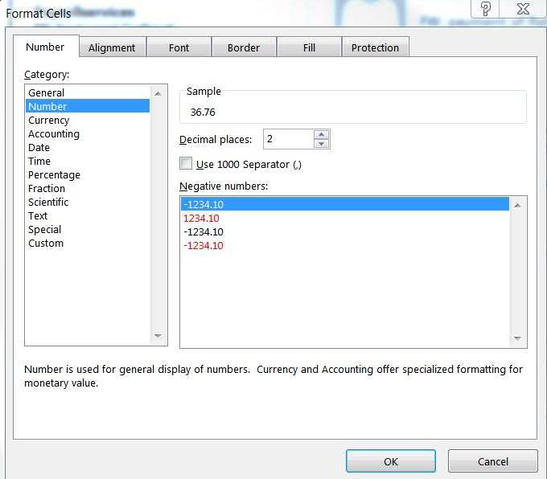

9. Department Administrators, Managers or Finance officer will provide you the account code.
Account code should be 15 digits number

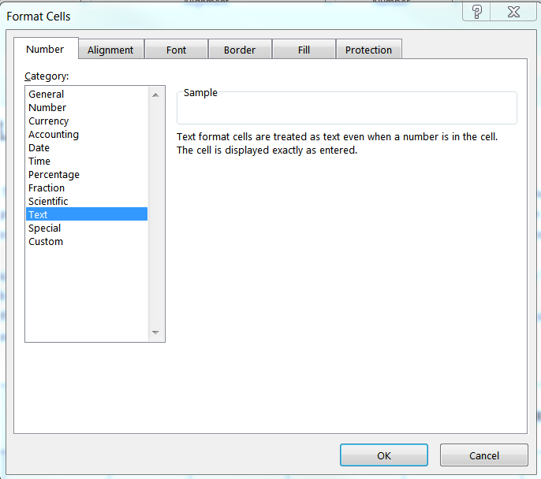

10. Authorisation & Deadline
a. Timesheets excel format files are to be submitted from your Swinburne staff email account to your Department Administrator/Managers for appropriate approvals by no later than 5pm Tuesday.
Administrators/ Managers must email submit this approved Timesheets to fpp@swin.edu.au by Wednesday 12 noon immediately following fortnight end date.
When the approver has reviewed and confirmed the timesheet, please email it to fpp@swin.edu.au with the following text in the subject : THE ATTACHED IS APPROVED. HR will take the email as approval for the claim and record it as such.
For submittion deadline please refer to pay dates and deadline tab of this spreadsheet.

b. Research worker please follow the below approval process:
Research worker please submit your timesheet to the research account holder for approval.
When the approver has reviewed and confirmed the timesheet, please email it to fpp@swin.edu.au and CC faculty research coordinator with the following text in the subject: THE ATTACHED IS APPROVED.

11. Any queries please contact payroll by email: payroll@swin.edu.au Phone: 92148600

